Cost Template- Toronto
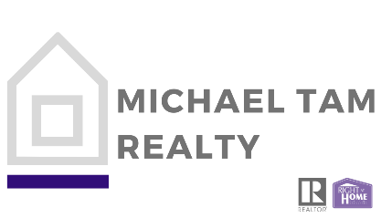

FINANCIAL ANALYSIS
Purchase price |  | $1,600,000.00
Down Payment % |  | 20%
Down Payment |  | $320000.00
 |  | Resident | Non Resident

Land Transfer Tax
< $55,000 | 0.5% | $275.00
$55,000 to 250,000 | 1.0% | $1,950.00
$250,000 to 400,000 | 1.5% | $2,250.00
> $400,000 | 2.0% | $24,000.00
> $2,000,000 (contain 2 single family residence | 2.5%
Total land transfer tax- provincial |  | $28,475.00
Toronto additional land transfer tax- Municipal |  | $28,475.00 |  | If purchasing a home in Toronto, there is an additional municipal land transfer tax. Toronto’s land transfer tax applies within the following boundaries: Steeles Avenue as the North border, Etobicoke as the West border, Scarborough as the East border and Lake Ontario as the South border.
Total land transfer tax | $0.01 | $56,950.00
Land Transfer Tax Refund
> 400,000 | $4,000.00
Total provincial rebate | $4,000.00 | $4,000.00 |  | Max
Total Municipal Rebate | $4,475.00 | $4,475.00 |  | Max
Total Refund |  | $8,475.00

Other fees |  | Average costs
Stat registry fee | Estimate | $65.00
Realty taxes | Estimate | $1,500.00 |  | Depending on how much is prepaid by current owners
Paid Title insurance premium | Estimate | $1000.00
Legal costs + HST | Average | $1695.00
Other Legal costs | Average | $300.00
Government registration fees | Average | $150.00
Municipal land transfer tax admin fee | Average | $85.00
Total other fees | Average | $4,795.00
Total additional costs |  | $53,270.00

